Sheet1
 |  | Document No. | Issue No. |  |  | Review and Replace Date |  | Authorised By
 |  | GFF462MC | 2 |  |  | 24.02.2026
 |  | Document Title | Gz Deli 20 Vegetable Pakora 30G | 600G
 |  |  |  |  |  |  |  | Magda Shah
Document amendments reason for change |  | Tray product code changed | Page 1 of 1 | Previous Issue Date |  |  | 11.09.2024 | Uncontrolled copy unless signed original

CVPKC-B20X1T | GAZEBO DELI - BOOTHS |  | Gz Deli 20 Vegetable Pakora 30G | 600G
STEP 1 |  |  |  | STEP 2


Tray: HW308/60 open ECO tray- (PKESS001-12) |  |  |  | 20 Vegetable Pakora 30G-GFF122R
Film: K Peel RPSM 25µm (340mmX1000lm)-(PKKMP001-05)
STEP 3
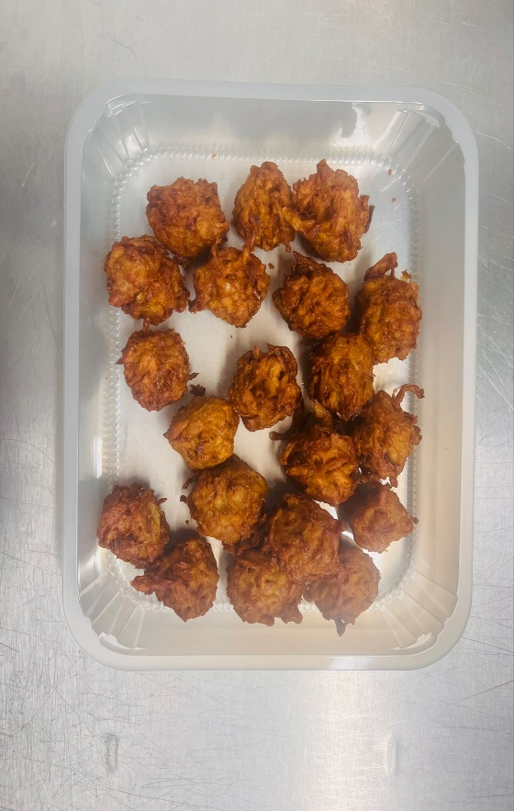 |  |  |  |  | 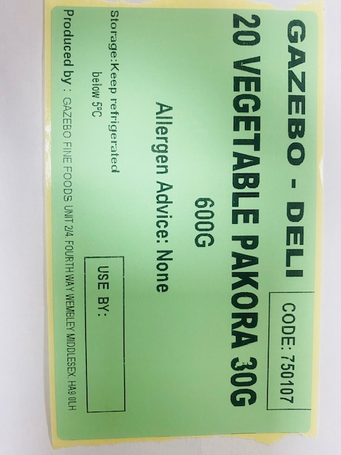

30g X 20 units |  |  | GAZEBO-DELI|CODE: 750107| 20 VEGETABLE PAKORA 600G
TOTAL WEIGHT: 600G

ALLERGY ALERT: None

